Sheet1
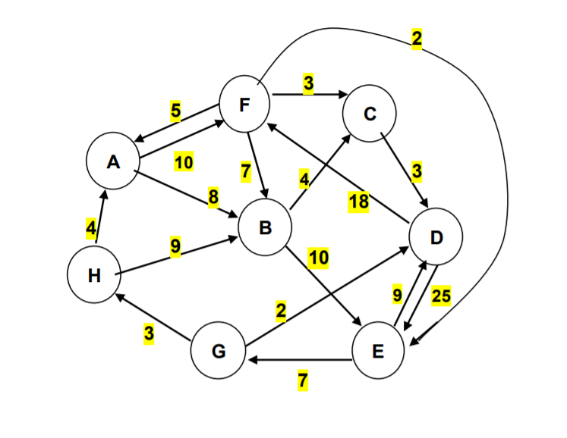
Edges | Weights | Decision | A | B | C | D | E | F | G | H | Nodes | In/Out | Net Flow
(A, B) | 8 | 0 | -1 | 1 | 0 | 0 | 0 | 0 | 0 | 0 | A | 0 | 0
(A, F) | 10 | 0 | -1 | 0 | 0 | 0 | 0 | 1 | 0 | 0 | B | 0 | 0
(F, A) | 5 | 0 | 1 | 0 | 0 | 0 | 0 | -1 | 0 | 0 | C | 1 | 1
(H, A) | 4 | 0 | 1 | 0 | 0 | 0 | 0 | 0 | 0 | -1 | D | 0 | 0
(F, B) | 7 | 0 | 0 | 1 | 0 | 0 | 0 | -1 | 0 | 0 | E | 0 | 0
(H, B) | 9 | 1 | 0 | 1 | 0 | 0 | 0 | 0 | 0 | -1 | F | 0 | 0
(F, C) | 3 | 0 | 0 | 0 | 1 | 0 | 0 | -1 | 0 | 0 | G | -1 | -1
(G, H) | 3 | 1 | 0 | 0 | 0 | 0 | 0 | 0 | -1 | 1 | H | 0 | 0
(B, C) | 4 | 1 | 0 | -1 | 1 | 0 | 0 | 0 | 0 | 0
(C, D) | 3 | 0 | 0 | 0 | -1 | 1 | 0 | 0 | 0 | 0 | Total Distance | 16
(D, F) | 18 | 0 | 0 | 0 | 0 | -1 | 0 | 1 | 0 | 0
(B, E) | 10 | 0 | 0 | -1 | 0 | 0 | 1 | 0 | 0 | 0
(E, G) | 7 | 0 | 0 | 0 | 0 | 0 | -1 | 0 | 1 | 0
(G, D) | 2 | 0 | 0 | 0 | 0 | 1 | 0 | 0 | -1 | 0
(E, D) | 9 | 0 | 0 | 0 | 0 | 1 | -1 | 0 | 0 | 0
(D, E) | 25 | 0 | 0 | 0 | 0 | -1 | 1 | 0 | 0 | 0
(F, E) | 2 | 0 | 0 | 0 | 0 | 0 | 1 | -1 | 0 | 0

